Superintendent Letter
Dear Superintendent:
Re: 2026 Utica National School Safety Excellence Award Program
It is time to enter your school in the 23rd Annual Utica National School Safety Excellence Award Program for 2026. This program encourages school districts to assess their safety readiness and promote a safety-first culture that takes a proactive, preventative, and comprehensive approach to safety concerns and threats. It also recognizes those schools that provide the safest and most secure school environment possible for students, staff, and visitors.
As with prior years, we will continue to use an electronic spreadsheet format for the application process. Similar to last year, a secure document upload site will be used to upload your school’s spreadsheet, and if you chose to be considered for the “honors” recognition level, your supporting documentation. NOTE: Support information is only required if you have not submitted supporting documentation within the last two years or if substantial changes have been made to your supporting documentation.
Multiple users can complete the form by filling out the areas that fall under their responsibilities. Some of these responsibilities include playground safety, PE/athletic safety, transportation safety, foreign and domestic travel safety, bullying prevention and concussion-management programs, and other programs. Please complete the form by selecting “yes” or “no” from the dropdown box by each topic online. The spreadsheet tallies the individual scores, computes the total score for each section, and then delivers a grand total before showing the award level achieved.
Please note:
• Completed forms and supporting documentation for honors recognition, if applicable, can be uploaded to us at uticanational.com/school-safety-excellence. NOTE: Support information is only required if you have not submitted supporting documentation within the last two years or if substantial changes have been made to your supporting documentation.
• Completed packets are due by February 1, 2026.
Thank you again for all that you do each and every day in the areas of student, staff and facility safety. I know that you’ve been through some extremely challenging times over the past few years, and we appreciate your effort and support in this space. We are looking forward to presenting the School Safety Excellence Awards in person this coming spring.
Sincerely,
Richard Pizzuco, Regional Manager
Risk Management Department
cc: School Business Official

SSEAP Procedures
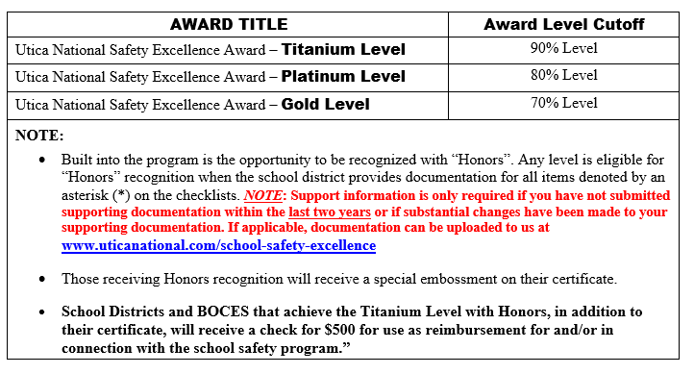

2026 Utica National
School Safety Excellence Award Procedures
On the next three tabs are the master questionnaires. Determine which questionnaire is appropriate for your School/BOCES. You need to complete only one of the following three forms: Districts, Districts with Contract Transportation or BOCES.
For several of the Program Criteria you will be asked to complete a checklist. The checklist can be found at the tabs on the bottom. You should only complete the checklists that apply to your questionnaire. For all program criteria that do not require a checklist you receive all of the points if you answer yes to the question and 0 points if you answer no to the question. Regarding points for questions within each checklist there is no partial credit; you receive all of the points if you answer yes to the question and 0 points if you answer no to the question. If a question does not apply take full credit for the points. The point totals will be carried over automatically to Total Points Received column.
Each Superintendent should review the master questionnaire and upload all completed forms and all supporting documentation, if applicable, to www.uticanational.com/school-safety-excellence no later than February 1, 2026.
Recognition will be given by Utica National at the Spring Seminar according to the criteria below:

